Piston Crevice Volume Worksheet
 |  |  |  |  |  | This calculator was created for the SCCA by Jason Kohler, January 2016. Revision 2016/05/05

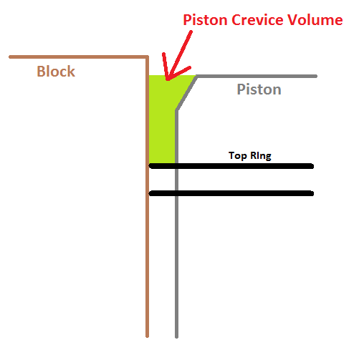

Driver Name
Competition Class
Car Make and Model
Car Number
Cylinder Number Inspected
Date
Tech Inpector Name

Piston Crevice Volume makes up only a small percentage of total clearance volume of the engine. It is also can be difficult to obtain measurements without removing the piston from the engine. Therefore, we recommend only including this measurement when there is concern that the engine being inspected will be over its compression ratio limit.

# | Measurements | English Units |  | Metric Units
1 | Piston Diameter at Top Land |  | in | 0.000 | cm
2 | Distance to Top Ring |  | in | 0.000 | cm
3 | Chamfer Height |  | in | 0.000 | cm
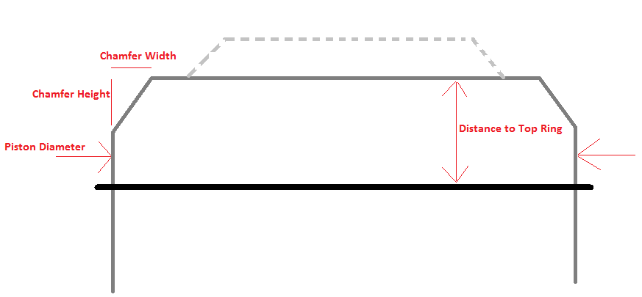
4 | Chamfer Width |  | in | 0.000 | cm
5 | Cylinder Bore Diameter |  | in | 0.000 | cm

 | Piston Crevice Volume: | 0.00 | cm^3

 | Calculations | Value | Unit
 | A_rectangle | 0 | cm^2
 | A_chamfer | 0 | cm^2
 | A_crevice | 0 | cm^2
 | Effective Circumference | 0 | cm

